Graphs
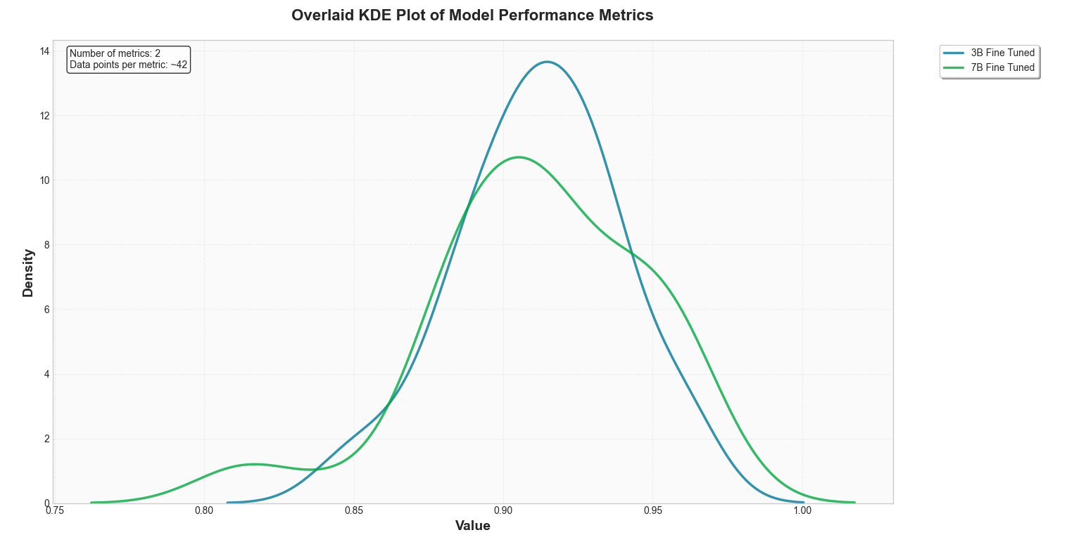
Copilot vs Fine Tuned - Semantic Similarity

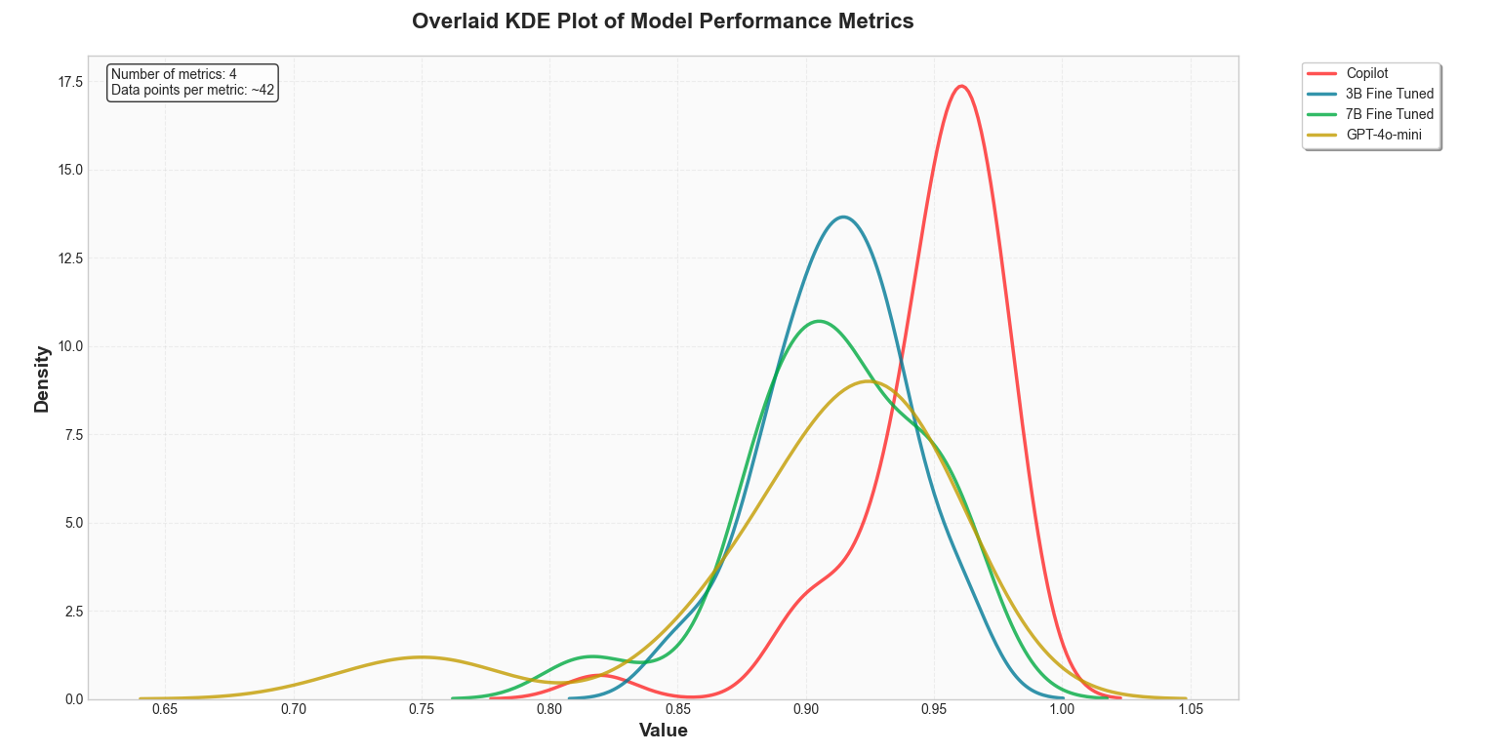

3B Instruct vs Fine Tuned - Semantic Similarity

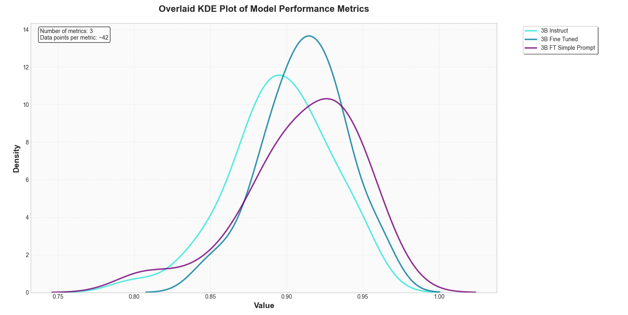

7B Instruct vs Fine Tuned - Semantic Similarity
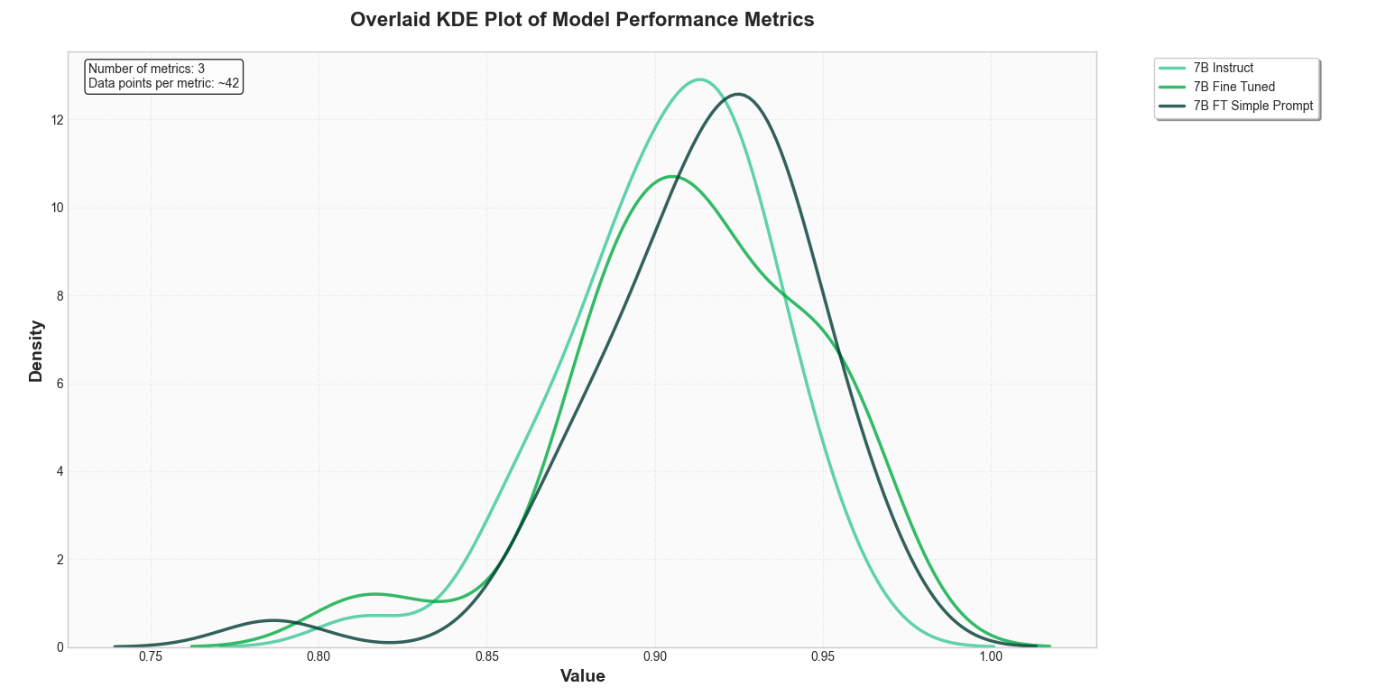

3B vs 7B Instruct- Semantic Similarity

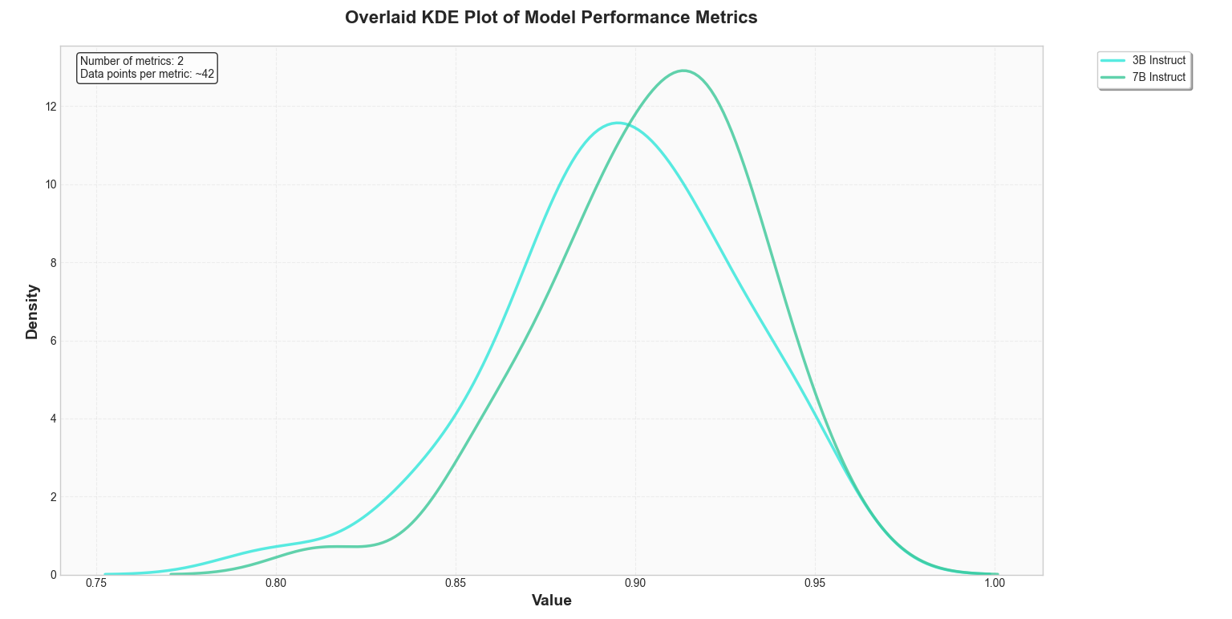

3B vs 7B Fine Tuned - Semantic Similarity

